C.INV
COMMERCIAL INVOICE
1) Shipper/ Exporter : |  | 8) No & Date of Invoice
Shin Textile Solutions Co., Ltd.
801,E&C Venture Dreamtower 2, 55, Digital-ro 33-gil, |  | STE-S26-005 |  |  |  | 12-Mar-26
Guro-gu, Seoul, Korea |  | 9) No & Date L/C
TEL :070-4659-3337 FAX :02-6330-2019
2) Consignee :
SHINTS ETP GARMENT PLC TIN:0040614058 |  | 10) L/C issuing bank
BOLE LEMI INDUSTRY PARK, BOLE LEMI,
BOLE SUB-CITY, WOREDA 11, ADDIS ABABA, ETHIOPIA
TEL :+251 118 29 83 07 FAX :+251 92 058 0957 |  | 11) Remarks:
XNK-Thy Ha <thyha@shintsbvt.com>
3) Notify party :
THE SAME AS ABOVE

4) Port of loading: | 5) Final Destination:

INCHEON, KOREA | ADDIS ABABA, ETHIOPIA
6) Carrier | 7) Sailing on/ or About

12) Marks and Number of PKGS | 13) Description of Goods | 14) Quantity/Uint |  | 15) Unit/price | 16) Amount

 |  | ( CPT HANOI, VIETNAM )
SHINTS BVT
(IN DIA)
 | MATERIALS FOR GARMENT
STYLE NO.:
ITEM :
Q'TY :
C/T NO. : | TOTAL

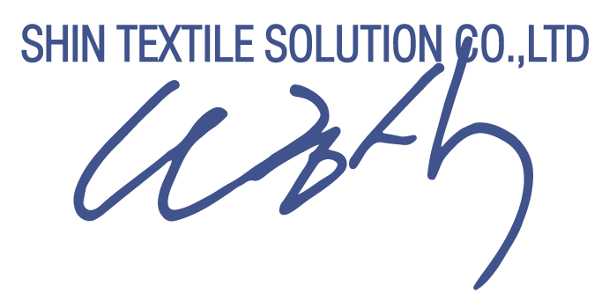

TEL NO. : 070-4006-3700~14, (DIR. 070-4006-3727)
FAX NO. : (02)6330-2019 |  |  | 17).Signed by :

